1. Title Page
[Project Name]

Project Name: Instacart Basket Analysis Project
Date: 05.10.2021
Analyst Name: Ekin Kara Günay

Contents:
Population Flow
Consistency checks
Wrangling steps
Column derivations
Visualizations
Recommendations

2. Population Flow
Title page

Population flow

Exclusion flag
Condition: max_order < 3421083
Obervations to be removed: 206229
Final total count of order_products_all: 1596682

Orders_products_combined
Orders_products_merged
Orders_products_all

Total: 1983051 rows
Total: 1993217 rows
Total: 2133599 rows

1.) The grey boxes in the first row of the population flow represent the original data sets as they were when you downloaded them. In the Total fields you need to add the count of the rows when you imported the data set into Jupyter.
2.) The second row of boxes (coloured) represents the data sets after you manipulated them, e.g., removed missing values and duplicates. In the Total fields you need to add the count of the rows after conducting these operations. This offers a visual oveview of how the data flows throughout the data consistency checks.
3.) The third row, where also the arrows are coloured, represents the merges you performed between the datasets. In the Total fields you need to add the count of the rows in the merged datasets, so that you end up with the final dataset (in the red box). Keep in mind the final dataset should be without exclusions (based on the exclusion flag).

3. Consistency checks
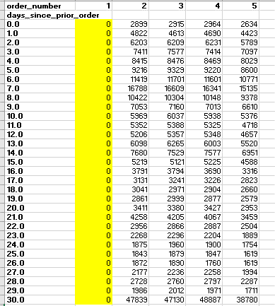
 |  |  |  | Title page
Consistency checks

Dataset | Missing values | Missing values treatment | Duplicates
orders* | 206208 missing values at 'days_since_prior_order' | Missing values are removed by filtering data.
products | 16 missing values at 'product_name' column | Missing values are removed by filtering data. | 5 duplicated values are removed.
orders_products_prior
customers | 11259 missing values at 'first_name' column
orders_products_merged |  | 5127 values which are more than 100$ at 'prices' column are marked as missing value at the project, because there must be a mistake at these prices.

*There are 206208 missing values at 'days_since_prior_order' column. The value at 'order_number' of these rows are 1.
At data dictionary, Column of days_since_prior_order is described as; days since the last order, capped at 30 (with NAs for order_number = 1)
The missing values are checked by creating crosstab. As it's seen below, the values of 'days_since_prior_order' are 0 for 'order_number' which is 1.

4. Wrangling steps
 |  |  |  | Title page
Wrangling steps

Columns dropped | Columns renamed | Columns' type changed | Comment/Reason
'eval set' column at orders dataset is dropped |  |  | it`s a system information, it has no value for the analysis.
 | 'orders_dow' at orders dataset |  | orders_dow' is noticed, but it wasn't changed to be more clear to understand without asking the clients.
 |  | Datatype of 'order_id' at orders dataset is changed as 'str'. | It is the identifier of the order, not a count.
 |  | The row of department dataset is transposed to the column. | It must be transposed to be merged with orders dataset.
 |  | Datatype of 'user_id' at orders dataset is changed as 'int'. | It is changed to 'int' to be able to remove user_id=1 by 'greater than' function.
 | 5 column names at customers data set are corrected |  | Capitals are changed to lower cases.
 |  | Datatype of 'user_id' at customers dataset is changed as 'float64. | It is changed to 'float64' to be able to merge with orders_products_merged dataset.

5. Column derivations
 |  |  |  | Title page

Column derivations and aggregations

In this tab you should add tables below that the frequences of flags/label variables that you produced after deriving them. NB: don't do this for continuous variables, only for flags.
Dataset | New column | Column/s it was derived from | Conditions
orders_products_merged | price_range | prices | If 'prices' <= 5, Low-range product
 |  |  | If 5 < 'prices' <= 15,Mid-range product
 |  |  | If 'prices' > 15, High-range product
orders_products_merged | price_range_loc | prices | If 'prices' <= 5, Low-range product
 |  |  | If 5 < 'prices' <= 15,Mid-range product
 |  |  | If 'prices' > 15, High-range product
orders_products_merged | busiest_day | order_dow | If 'order_dow' = 0, Busiest day
 |  |  | If 'order_dow' = 4, Least busy
 |  |  | If 'order_dow' isn`t 4 and 1, Regularly busy
orders_products_merged | busiest_days | order_dow | If 'order_dow' = 0, Busiest day
 |  |  | If 'order_dow' = 4, Least busy
 |  |  | If 'order_dow' isn`t 4 and 1, Regularly busy
orders_products_merged | busiest_period_of_day | order_time | order_time' >= 9 and 'order_time' <=16, Most orders
 |  |  | order_time' =7 or 8, 'order_time' >= 17 and 'order_time' <= 22, Average orders
 |  |  | order_time' <= 6, and 'order_time' = 23, Fewest orders
orders_products_merged | max_order | order_number | Max of values at 'order_number' column for each user_id.
orders_products_merged | loyalty_flag | max_order | If 'max_order' > 40, Loyal customer
 |  |  | If 10 < 'max_order' <= 40, Regular customer
 |  |  | If 'max_order' <= 10, New customer
orders_products_merged | mean_price | prices | Mean of values at 'prices' column for each user_id.
orders_products_merged | spending_flag | mean_price | If 'mean_price' < 10, Low spender
 |  |  | If 'mean_price' > = 10, High spender
orders_products_merged | days_median | days_since_prior_order | Median of values at 'days_since_prior_order' column for each user_id.
orders_products_merged | frequency_flag | days_median | If 'days_median' > 20, Non-frequent customer
 |  |  | If 10 < 'days_median <= 20, Regular customer
 |  |  | If 'days_median' <= 10, Frequent customer

6. Visualizations
 |  | Title page

Visualisations

In this tab you should include all the visualtions from Exercises 4.9 and 4.10, alongside the questions from the project brief that they answer. Include any commentary on the relationship between different variables.

1. The sales team needs to know what the busiest days of the week and hours of the day are (i.e., the days and times with the most orders) i n order to schedule ads at times when there are fewer orders.

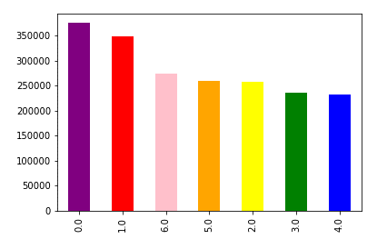
 | 0.0 = Saturday
 | 1.0 = Sunday
 | 2.0 = Monday
 | 3.0 = Tuesday
 | 4.0 = Wednesday
 | 5.0 = Thursday
 | 6.0 = Friday

 | The busiest day of the week is Saturday. The customers mostly purchase on Saturday and Sunday.

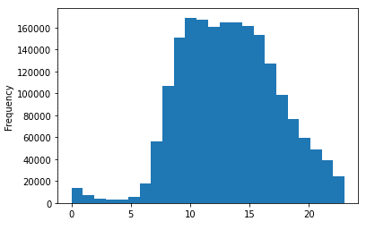
 | The busiest hours are 9-10 am. The customers mostly purchase between 8 and 16 o`clock.

2. They also want to know whether there are particular times of the day when people spend the most money, as this might inform the type of products they advertise at these times.

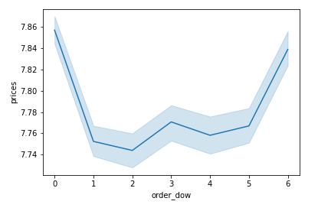

 | The people spend the most money at the weekends, especially on Sundays.
 | On Tuesdays they spend the fewest money.

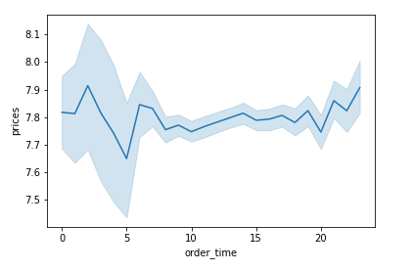

 | The people spend the most money at about 24 and 2-3 o`clock.

3. Instacart has a lot of products with different price tags. Marketing and sales want to use simpler price range groupings to help direct their efforts.

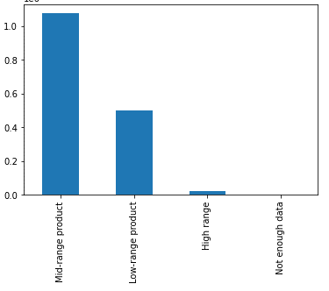
 | Mostly mid-range products are purchased at instacart.

4. Are there certain types of products that are more popular than others? The marketing and sales teams want to know which departments have the highest frequency of product orders.

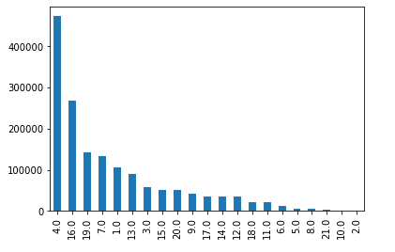

 | Top three departments which have the highest frequency of product orders are department 4, 16 and 19.

5. What’s the distribution among users in regards to their brand loyalty (i.e., how often do they return to Instacart)?

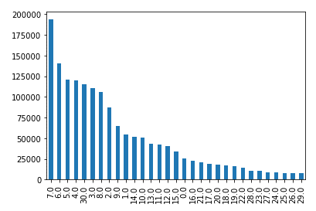

 | Most of the customers purchase within a week from Instacart.

6. Are there differences i n ordering habits based on a customer’s loyalty status?

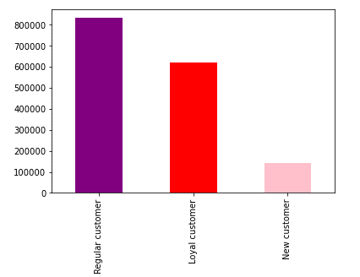
 | The most of the customers at Instacart are regular customers.
 | The percentage of new customers is not so high at Instacart.

7. Are there differences in ordering habits based on a customer’s region?

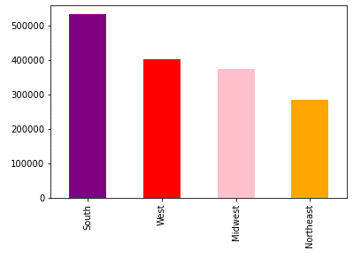
 | The customers at South purchase more than the customers at the other regions.

8. Is there a connection between age and family status in terms of ordering? habits?

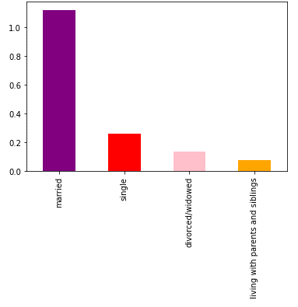

 | Married people purchase more than the others from Instacart.

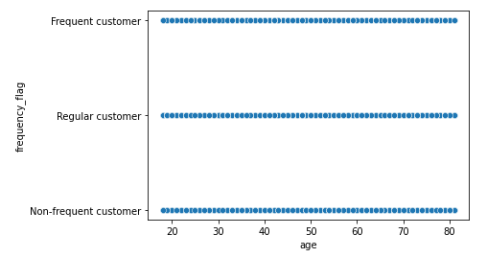
 | There is no relation between age and the frequency of ordering.

7. Recommendations
 |  |  |  |  |  |  | Title page

Recommendations

In this tab you should include any recommendations you would made to Instcart in terms of their marketing strategy based on the questions posed in the brief. Every key question has been covered in the Tasks of the Exercises - here you need to add an item - a visualisation or table/crosstable that is showing the answer in the data, acompanied by a comment from you. Please, list the questions below and add the answer underneath.

Question |  | Answer

Q1. What are the busiest days of the week?
A1. Busiest days of the week are Saturday and Sunday.

Q2. What are the busiest hours of the day?
A2. Busiest hour of the day is 10 o`clock. The most orders are given between 10 and 15 o`clock.

Q3. When the people spend the most money?
A3. Although the busiest hours are between 10 and 15, the most money is spent at about 24 and 2-3 o`clock.

Q4. Is there any classification among the products which are purchased from Instacart?
A4. The products which are bought from Instacart are mostly mid-range products whose prices are above $5 but lower than or equal to $15.

Q5. Which departments have the most sales at Instacart?
A5. Department 4, 16 and 19 have 55% of all sales.
 | Department-4= produce |  | Top 4 Departments and sale shares
 | Department-16= Dairly eggs |  | Department_id | Share
 | Department-19= Snacks |  | 4 | 30%
 |  |  | 16 | 17%
 |  |  | 19 | 9%
 |  |  | 7 | 8%
 |  |  | 1 | 7%

Q6. How often do the customers return to Instacart?
A6. 53% of the customers purchase within a week from Instacart.
 | The below histogram also proves that the most of the customers are regular.

Q7. Are there differences in ordering habits based on a customer’s loyalty status?
A7. The most of the customers at Instacart are regular customers. The percentage of new customers is not so high at Instacart.

Q8. Are there differences in ordering habits based on a customer’s region?
A8. While the customers at South purchase more than the customers at the other regions, the number of orders are the fewest at Northeast.

 |  |  | Although the mean income of the customers at Northeast are the highest, they have the fewest number of order at Instacart.

 |  |  | income
 |  |  |  | mean | min | max
 |  |  | region
 |  |  | Midwest | 100,015,721,373 | 26234.0 | 569253.0
 |  |  | Northeast | 100,369,252,987 | 26256.0 | 576876.0
 |  |  | South | 98,819,637,935 | 26061.0 | 577728.0
 |  |  | West | 99,613,310,105 | 26024.0 | 593901.0

Q9. Is there a connection between age and family status in terms of ordering?
A9. Married people purchase more than the others from Instacart.

Recommendations:
 | As a result, I recommend Instacart to focus on the weekends because of that the most of the customers purchase at the weekends.
 | Especially late afternoon is the time when the most of the orders are given.
 | Besides, Most of the customers are married, this is an important information for the marketing strategy.
 | The customers are mostly from South, but on the other side the mean income at Norheast is the most. If Instacart targets the customers at Northeast, they could buy more.
 | The share of new customers seem low. But the reason could be that we filtered the rows whose value at 'prior_day_since_order' column is missing. Order_Number of these rows were 1, which means these customers are new at Instacart.

 | Top 3 departments which have the most orders are 4, 16 and 19.
 | The most of the customers purchase within a week after the last order, that means the customers don`t mostly stocked the products, they buy the amount which they need.

